Funny Irony
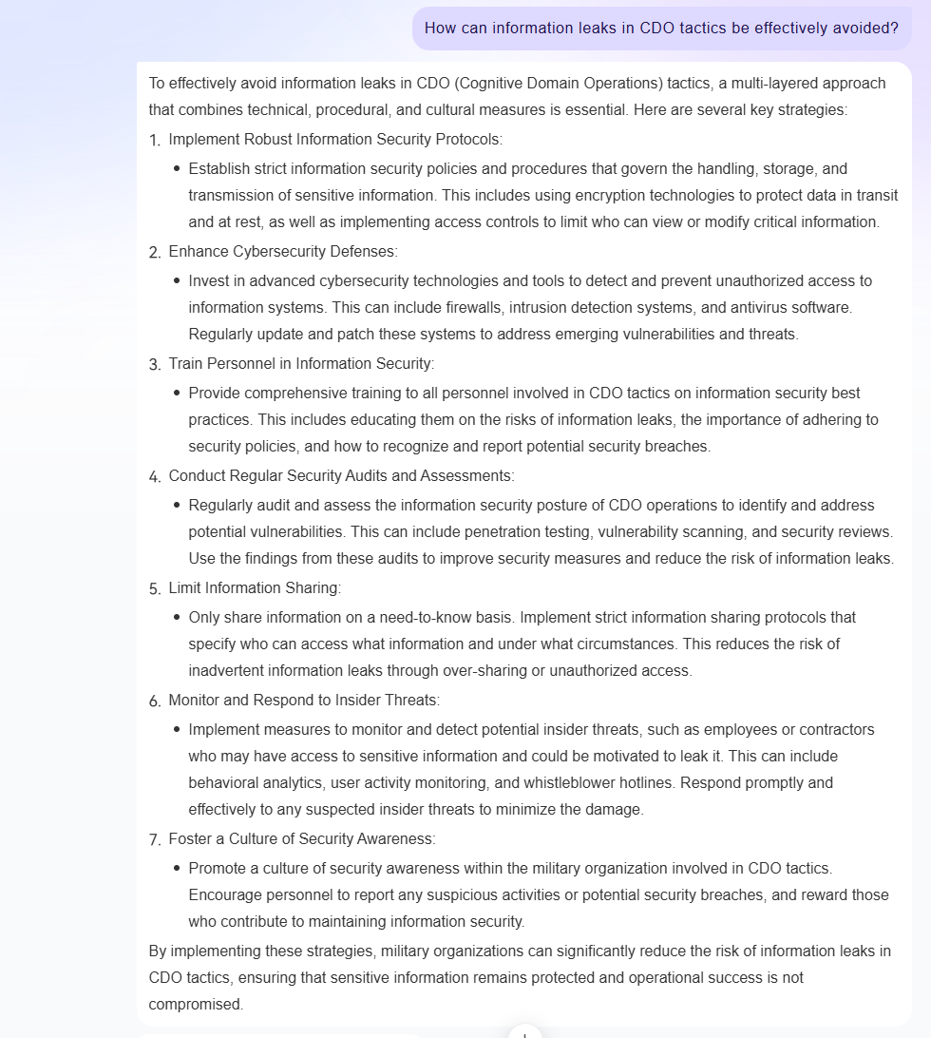
The irony of this lol

